Q1 IRENA 2025 Bar
In 2025, the US still pays more than the global average for new solar and wind

Interpretation: In 2025, new utility-scale solar cost $62 per MWh in the US versus a $44 global average, and new onshore wind cost $40 versus $33 (real 2025 dollars). Even after costs fell worldwide, the US pays roughly 40% more for solar and 20% more for wind than the global average. Source: IRENA (2026), Renewable Power Generation Costs in 2025.

Q1 IRENA Solar Pivot
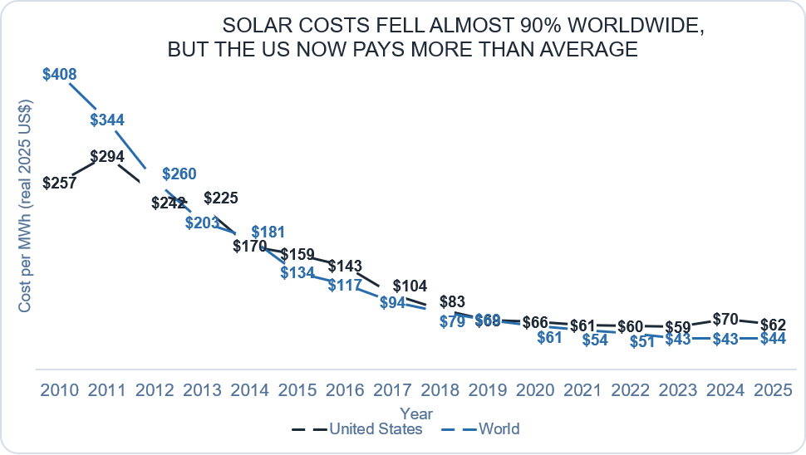
AVERAGE of Solar PV | Region
Year | United States | World
2010 | $257 | $408
2011 | $294 | $344
2012 | $242 | $260
2013 | $225 | $203
2014 | $170 | $181
2015 | $159 | $134
2016 | $143 | $117
2017 | $104 | $94
2018 | $83 | $79
2019 | $68 | $69
2020 | $66 | $61
2021 | $61 | $54
2022 | $60 | $51
2023 | $59 | $43
2024 | $70 | $43
2025 | $62 | $44

Interpretation: Between 2010 and 2025, the global average cost of new solar power fell by about 89% ($408 to $44 per MWh), and the US fell by about 76% ($257 to $62), in real 2025 dollars. Since 2020, US solar has cost more than the world average, about 40% higher in 2025. Source: IRENA (2026), Renewable Power Generation Costs in 2025.

Q1 IRENA Wind Pivot
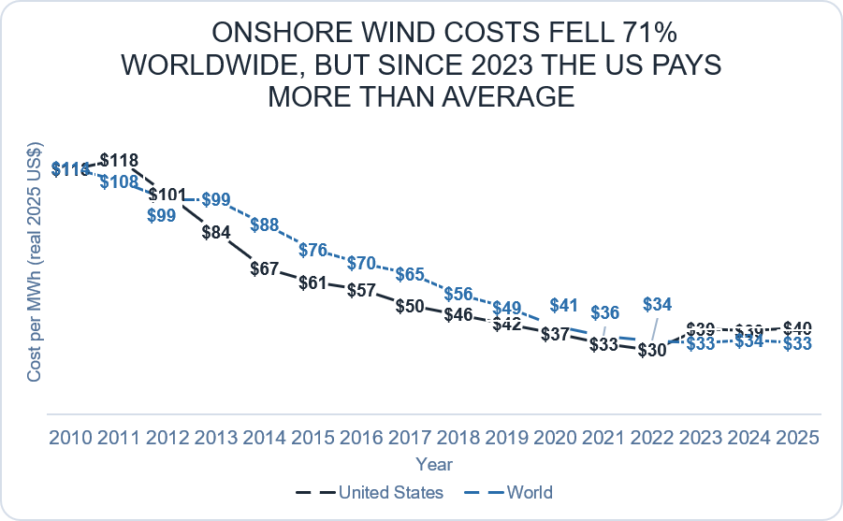
AVERAGE of Onshore wind | Region
Year | United States | World
2010 | $113 | $114
2011 | $118 | $108
2012 | $101 | $99
2013 | $84 | $99
2014 | $67 | $88
2015 | $61 | $76
2016 | $57 | $70
2017 | $50 | $65
2018 | $46 | $56
2019 | $42 | $49
2020 | $37 | $41
2021 | $33 | $36
2022 | $30 | $34
2023 | $39 | $33
2024 | $39 | $34
2025 | $40 | $33

Interpretation: Between 2010 and 2025, the global average cost of new onshore wind fell by about 71% ($114 to $33 per MWh), and the US fell by about 65% ($113 to $40), in real 2025 dollars. The US was cheaper than the world average for most of the decade, but costs rose about a third after 2022, leaving US wind around 20% above the world average in 2025. Source: IRENA (2026), Renewable Power Generation Costs in 2025.

Q1 Lazard Pivot
Solar and wind fell below coal and gas, despite a recent rebound
 | $83

Interpretation: Between 2009 and 2025, the estimated average cost of new US power projects fell by about 84% for utility-scale solar and 55% for onshore wind, compared with a 6% decrease for gas and a 10% increase for coal (nominal dollars). On average both remained cheaper than coal and gas in 2025 ($58 and $61 per MWh, versus $78 for gas and $122 for coal), but cost data alone cannot show whether the US actually switched. 2022 was not published by Lazard.

Q1 Python
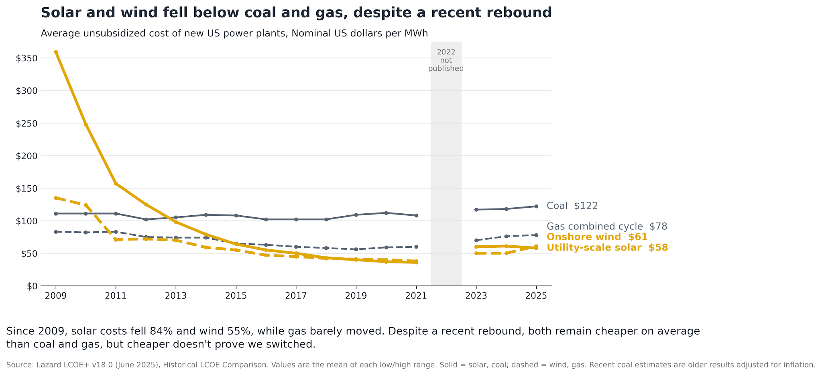

Interpretation: Between 2009 and 2025, the estimated average cost of new US power projects fell by about 84% for utility-scale solar and 55% for onshore wind, compared with a 6% decrease for gas and a 10% increase for coal (nominal dollars). On average both remained cheaper than coal and gas in 2025 ($58 and $61 per MWh, versus $78 for gas and $122 for coal), but cost data alone cannot show whether the US actually switched. This Python version highlights solar and wind with thicker coloured lines, keeps coal and gas in grey, and shades 2022 because Lazard did not publish that year.

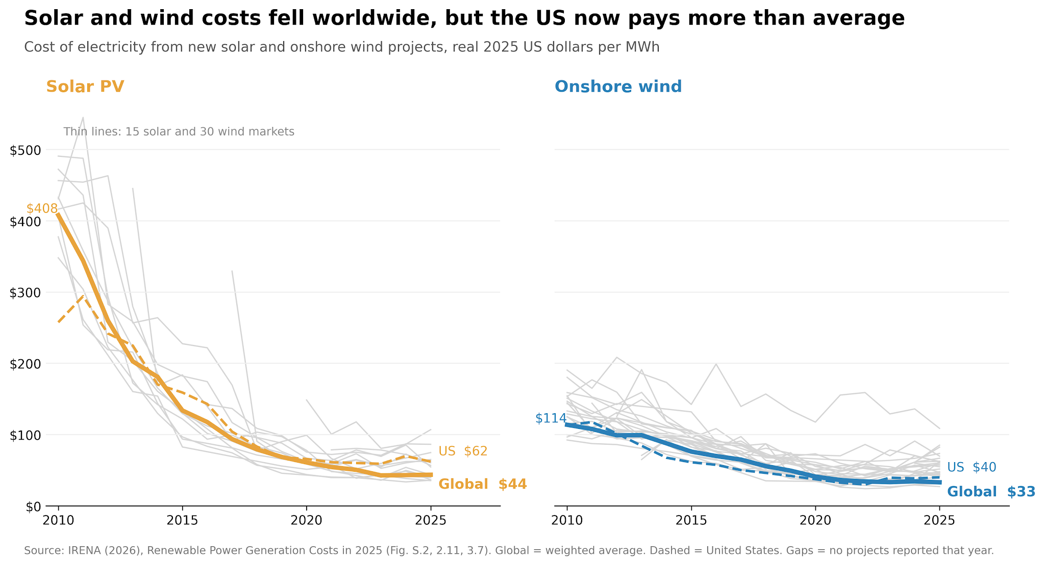
Interpretation: Between 2010 and 2025, the global average cost of new solar power fell by about 89% ($408 to $44 per MWh) and onshore wind by about 71% ($114 to $33), in real 2025 dollars. Each thin grey line is one country, and almost all of them fell the same way, so the decline is global, not just a US story. In 2025, though, the US (dashed line) sits above the world average for both: $62 vs $44 for solar and $40 vs $33 for wind. Source: IRENA (2026), Renewable Power Generation Costs in 2025.

Q2 Electricity Mix
Year | Other | Nuclear | Gas | Hydropower | Coal | Wind + Solar
2000 | 5.0% | 19.8% | 16.2% | 7.1% | 51.7% | 0.2%
2005 | 4.9% | 19.4% | 18.9% | 6.5% | 49.9% | 0.5%
2010 | 3.0% | 19.6% | 24.0% | 6.2% | 44.9% | 2.3%
2015 | 3.1% | 19.5% | 32.7% | 6.0% | 33.1% | 5.6%
2020 | 2.6% | 19.5% | 40.2% | 6.9% | 19.1% | 11.6%
2025 | 2.1% | 17.4% | 40.0% | 5.3% | 16.3% | 18.9%

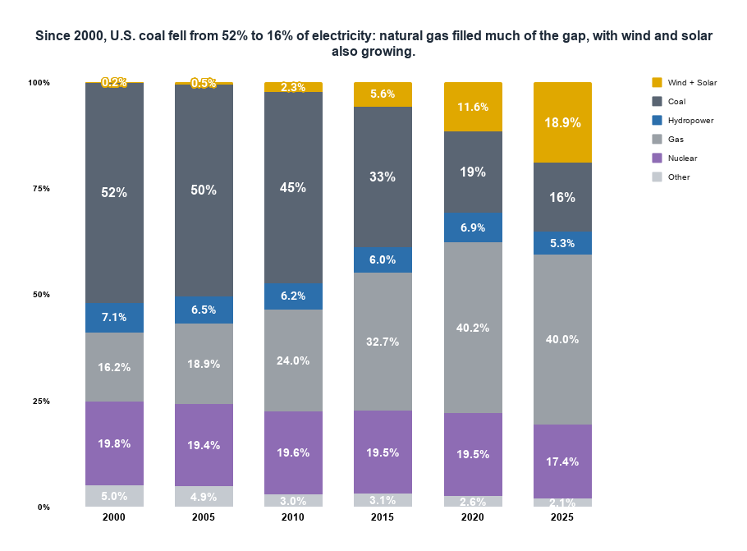

 |  |  |  |  |  |  | Interpretation: This chart demonstrates that although the US made significant progress toward renewable electricity, much of its transistion away from coal involved switching to another fossil fuel, Natural Gas.

Q2 Python Chart
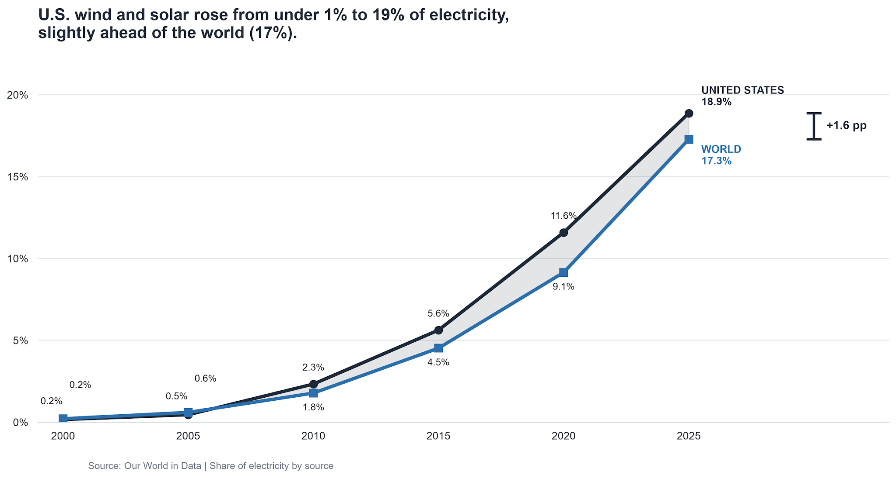

Interpetation: Beyond the global average only being 1.6% below the US our analyis reveals a larger difference when comparing the US to indivisual countries. Among the 88 countries with availble 2025 data, the median rather then the average was 13.1% comapared to the US at 18.9% around a 5.8% difference. The US exceeded approximately 60% of countries in our sample and we can assume if there were more countries that participated in this dataset that number could be much larger. This makes me ask, Is the worldwide transistion being driven disproportiantly by countries that generate larger amounts of electricity? Because the analysis covers only 88 countries, additional country-level data would be needed to determine how true/false these findings are.

Q3 G20
The US ranks 10th of 19 G20 countries in cutting fossil power since 2015 Change in fossil fuel share of electricity, 2015 to 2024 (percentage points)
Country | Fossil_Change
Australia | -20.98
United Kingdom | -19.57
Japan | -15.9
Germany | -14.84
Turkey | -13.65
Argentina | -12.72
Brazil | -12.71
China | -11.25
Italy | -11.24
United States | -8.72
South Africa | -8.16
South Korea | -7.04
Mexico | -5.31
India | -4.94
Indonesia | -4.3
France | -2.72
Saudi Arabia | -2.15
Russia | -1.8
Canada | 1.44

Interpretation: Among 83 countries generating at least 20 TWh, Portugal (−37.6 percentage points) and the Netherlands (−37.4) cut the fossil fuel share of their electricity the most between 2015 and 2024. They did not all switch the same way. The Netherlands, Chile and Jordan replaced fossil power mainly with solar and wind; Belarus and the UAE with new nuclear plants; and Venezuela and Ecuador with hydro (Venezuela's drop reflects an economic crisis rather than a policy shift). The US (−8.7) and the world (−7.4) also switched mainly through solar and wind, but at about a quarter of the leaders' pace. Cheap solar and wind are the most common route away from fossil fuels, but not the only one. Source: Our World in Data (Ember; Energy Institute).

Python Graph
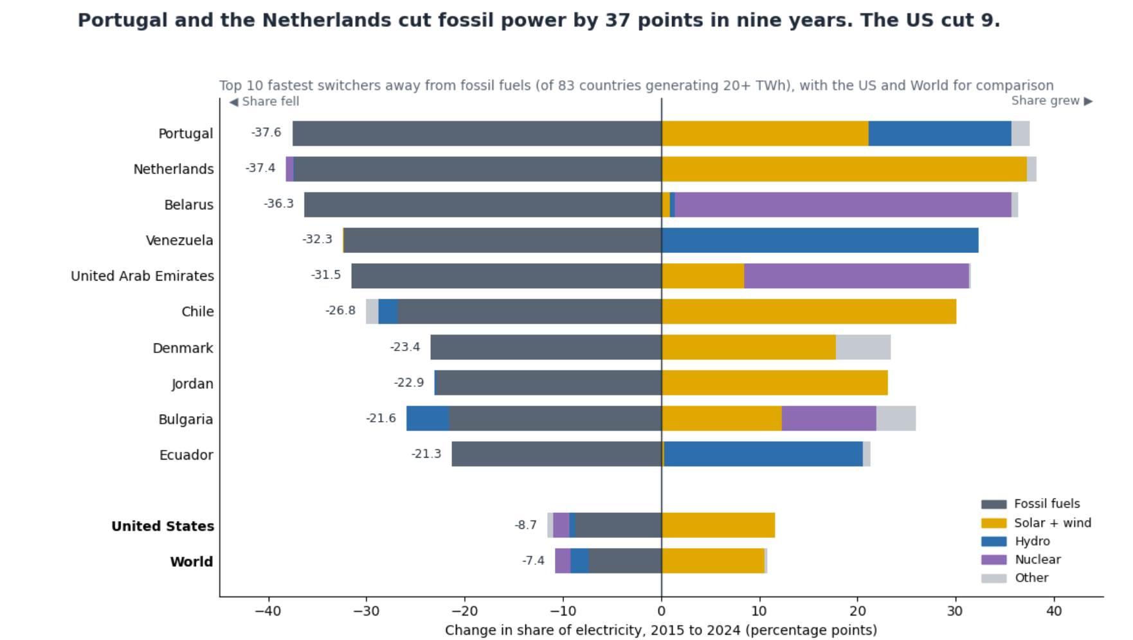
 | Python

Interpretation: Between 2015 and 2024, the US cut the fossil fuel share of its electricity by 8.7 percentage points (from 66.9% to 58.1%), ranking 10th of 19 G20 countries. That is slightly faster than the world average (−7.4), but well behind Australia (−21.0), the United Kingdom (−19.6), Japan (−15.9) and Germany (−14.8). Canada is the only G20 country whose fossil share rose (+1.4), though from a low starting point (21% to 22%), as most of its power already comes from hydro. Even though clean power is now cheaper than fossil power (Q1), the US is in the middle of the pack, while comparable large economies have cut twice as fast. Source: Our World in Data (Ember; Energy Institute).

